1
Total Sales
779k
Sum of Sales | Sum of Target | Sum of % completion | Sum of Profit | Sum of Varience
779k | 864k | 90% | 40k | 86k

 |  |  |  |  | KPI>>
 |  |  |  |  | to get the kpi>insert>rectangle>insert text box from insert or from shape format>select text box and write =A4 inside the formula tab

 | 1 Total Sales, Total Target and % of sales achievement

6
Day Wise Sales
Row Labels | Sum of Sales
Monday | 102k
Tuesday | 108k
Wednesday | 116k
Thursday | 106k
Friday | 116k
Saturday | 119k
Sunday | 113k
Grand Total | 779k

 | 6 Get the sales figures for each day

7
Top % month wise sales

Row Labels | Sum of Sales | Sum of Sales2
January | 78k | 21.99%
April | 71k | 20.03%
July | 68k | 19.13%
October | 68k | 19.22%
December | 69k | 19.63%
Grand Total | 354k | 100.00%

7 Get the sales figures for Top 5 Month

to get top 5> right click in the month cell>value filter>top 5

9
Department Wise Sales

Row Labels | Sum of Sales
Sales | 243k
Operations | 265k
Marketing | 271k
Grand Total | 779k

9 Find out the sales for each Department

10
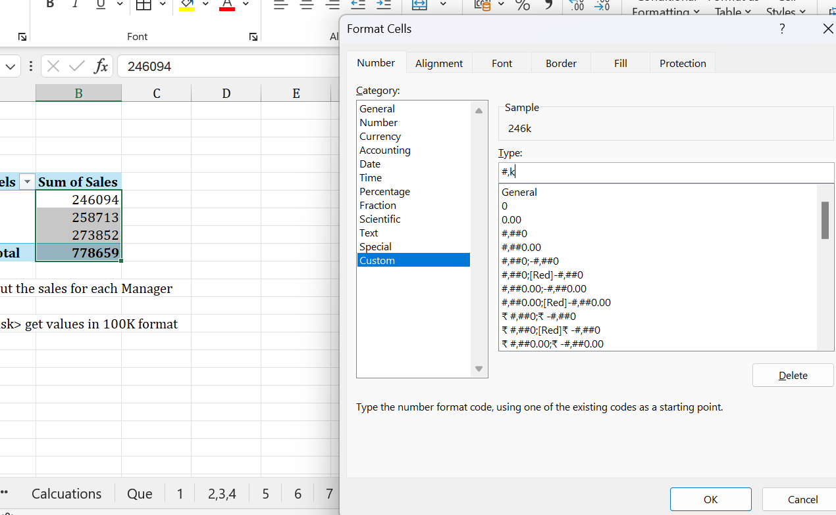
Manager Sales

Row Labels | Sum of Sales
Kishan | 246k
Ram | 259k
Sham | 274k
Grand Total | 779k

10 Find out the sales for each Manager

further task> get values in 100K format
 | use format cells>custom>## format

dashboard
Sales Summery Dashboard
Total Target
 | Questions
1 | Total Sales , Total Target and % of sales achievement
2 | Find out the sales for each Manager
Total Sales
Varience
Total Sales %
6 | Get the sales figures for each day
779k
7 | Get the sales figures for Top 5 Month
864k
86k
90%
9 | Find out the sales for each Department
Department Wise Sales
 | Total
Sales | 243k
Operations | 265k
Marketing | 271k
Day Wise Sales
 | Total
Monday | 102k
Tuesday | 108k
Wednesday | 116k
Thursday | 106k
Friday | 116k
Saturday | 119k
Sunday | 113k

Manager Sales
 | Total
Kishan | 246k
Ram | 259k
Sham | 274k
Top % month wise sales
 | Sum of Sales | Sum of Sales2
January | 78k | 21.99%
April | 71k | 20.03%
July | 68k | 19.13%
October | 68k | 19.22%
December | 69k | 19.63%

